QUOTATION TEMPLATE
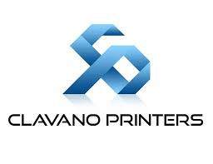
J O S E C L A V A N O , I N C
1210 Clavano Street, Capitol Site, Cebu City 6000, Philippines
Tel: +63 32 253 6826 to 28 / Fax: +63 32 255 6238
Office Mobile #: 0917-311-2892 / 0999-8817-020
Email ad: sales@clavanoprinters .com
FB page: https://www.facebook.com/PrintersClavano

PRICE QUOTATION / CONTRACT

DATE | : | 0 |  | Quote No.: | -

ATTENTION | : | 0
 | : | 0
 | : | -

BILL TO | : | 0
 | : | 0
 |  |  |  | DIGITAL
ITEM |  | DESCRIPTION |  | QTY | UNIT PRICE | TOTAL
1 |  | 0 |  | - | ₱0.00 | ₱0.00
 |  | Unit of Measure:
 |  | Dimension: | -
 |  | Cover Front - (Paper/Color): | -
 |  | Cover Back - (Paper/Color): | -
 |  | Inside Page - (Paper/color): | -
 |  | Number of Pages: | -
 |  | Specification/Binding: | -

DELIVERY | : | FREE DELIVERY WITHIN METRO CEBU
VALIDITY | : | 15 days from date of submission
NOTE | : | Prices are subject to change without prior NOTICE.
LEADTIME | : | 10 to 15 working days from the date of sample/best-proof approval.

PRICE INCLUSION OF THE FOLLOWING SERVICES:
*Two draft sample print-out to accommodate revision.
*One set of Best-proof prior to printing.
Note: Approved sample/best-proof must be return to Clavano Printers.

Disclaimer: (+/-) 10% Color variation on the actual print from the best-proof is expected.
Defective/Reject will be acknowledged within 7 days after full delivery. (Subject for review)

If you need further details to meet your requirements, feel free to write us or
contact us. Thank you for your interest and we look forward to be of service your company.

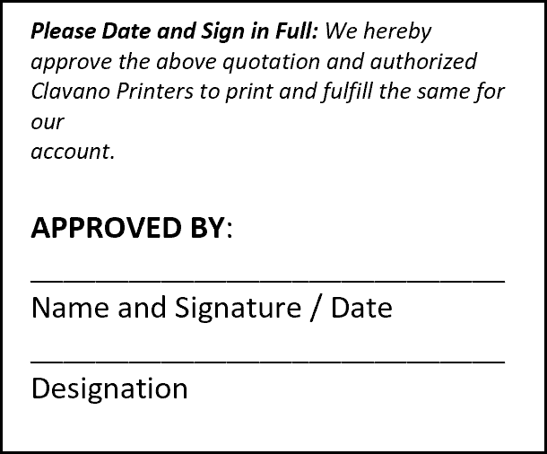

Sincerely yours,

CECIL ALIGNO
Sales Rep

